Current Statement
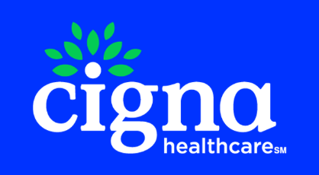
 |  |  | MAIN LINE BENEFITS LLC
 |  |  | Cigna Medicare Commission
 |  |  | 2025-10-24

Agent Resource Center (ARC - MAPD): 1- 866-442-7516
Previous Balance | Number of New Applications | New Application Earnings | Number of Renewals | Renewal Earnings | Number of Chargeback | Chargeback Amount | Number of VBE | VBE Amount | Total Payment Due to Agent/Agency
-$1,161.90 | 5 | $1,411.00 | 0 | $0.00 | 0 | $0.00 | 0 | $0.00 | $249.10

Payment Type | Beneficiary Name | Medicare Number | Cigna Member Id | Effective Date | Termination Date | Signature Date | State | Payment Amount | Cigna Agent Id | Agent NPN | Agent | GA | MGA | SGA | SGA2 | FMO | RFMO | NFMO | AFMO | Adjustment Notes
New Application | GONZALEZ, RAUL | 3WU3VQ8UA83 | 52U3U7F86 | 2025-10-01 | 2099-12-31 | 2025-09-04 | TX | 78.25 | C313152 | 17859093 | LENSIE GONZALES |  |  |  |  |  |  |  |  | CMS TRUE UP PAYMENT - PRIOR PLAN
New Application | KING, JEFFREY | 9K08C55MG54 | 44F5L7H64 | 2025-12-01 | 2099-12-31 | 2025-09-25 | PA | 29.42 | C475237 | 18710070 | MICHELLE MCCORKLE | MAIN LINE BENEFITS LLC |  |  |  |  |  | HEARTLAND FINANCIAL GROUP INC | INTEGRITY MARKETING GROUP NV, LLC | NEW APP PAYMENT
New Application | KING, JEFFREY | 9K08C55MG54 | 44F5L7H64 | 2025-12-01 | 2099-12-31 | 2025-09-25 | PA | 80 | C475237 | 18710070 | MICHELLE MCCORKLE | MAIN LINE BENEFITS LLC |  |  |  |  |  |  | INTEGRITY MARKETING GROUP NV, LLC | NEW APP PAYMENT
New Application | KING, JEFFREY | 9K08C55MG54 | 44F5L7H64 | 2025-12-01 | 2099-12-31 | 2025-09-25 | PA | 675.58 | C475237 | 18710070 | MICHELLE MCCORKLE |  |  |  |  |  |  |  |  | CMS TRUE UP PAYMENT - NO PRIOR PLAN
New Application | LINO, OSCAR | 1GJ3GY5DX83 | 11A2A7X22 | 2025-10-01 | 2099-12-31 | 2025-09-18 | IL | 547.75 | C565467 | 19200754 | RICARDO SANTOS |  |  |  |  |  |  |  |  | CMS TRUE UP PAYMENT - NO PRIOR PLAN

